Pedals Assembly
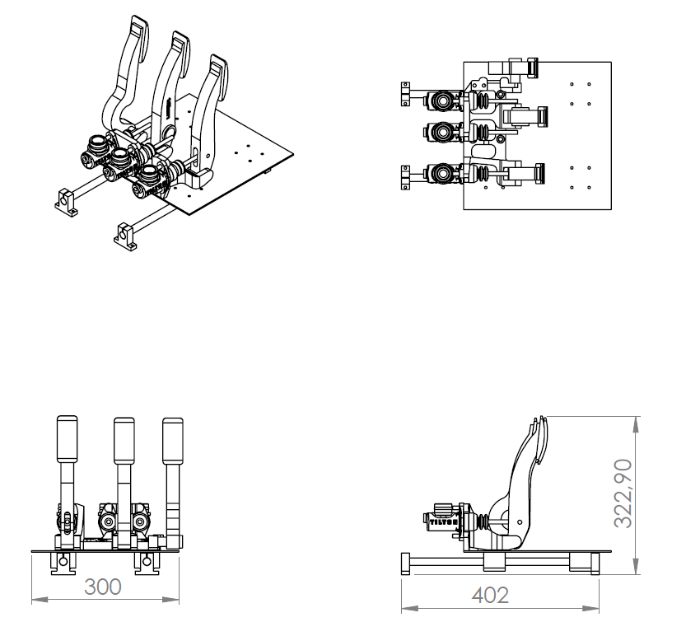
University | University of Hacettepe |  |  |  |  |  |  |  | Car # | $106.00 |  | Asm Cost | $469.36
System | Frame & Body |  |  |  |  |  |  |  |  |  |  | Qty | $1.00
Assembly | Pedals Assembly |  |  |  |  |  |  |  | FileLink1
P/N Base | A3001 |  |  |  |  |  |  |  | FileLink2 |  |  | Extended Cost | $469.36
Suffix | AA |  |  |  |  |  |  |  | FileLink3
Details | Pedals

ItemOrder | Part | Part Cost | Quantity | Sub Total
$10.00 | Pedal Mounting | $11.74 | $1.00 | $11.74
$20.00 | Pedals | $360.00 | $1.00 | $360.00
$30.00 | Linear Guide | $8.51 | $4.00 | $34.04
$40.00 | Linear Guide Mounting | $3.38 | $4.00 | $13.52
$50.00 | Linear guide mill | $14.20 | $2.00 | $28.40
 |  |  | Sub Total | $447.70

ItemOrder | Material | Use | UnitCost | Size1 | Unit1 | Size2 | Unit2 | Area Name | Area | Length | Density | Quantity | Sub Total

 |  |  |  |  |  |  |  |  |  |  |  | Sub Total | $-

ItemOrder | Process | Use | UnitCost | Unit | Quantity | Multiplier | Mult. Val. | Sub Total
$10.00 | Assemble, 1 kg, Line-on-Line | Pedal Installation | $0.13 | unit | $2.00 |  |  | $0.26
$20.00 | Hand - Start Only | Hand Start Bolts and Nuts | $0.12 | unit | 20 |  |  | $2.40
$30.00 | Ratchet <= 6.35 mm | Tighthen Bolts | $0.50 | unit | $16.00 |  |  | $8.00
$40.00 | Reaction Tool <= 6.35 mm | Tighthen Bolts | $0.25 | unit | $16.00 |  |  | $4.00
$30.00 | Ratchet <= 25.4 mm | Tighthen Bolts | $0.75 | unit | $4.00 |  |  | $3.00
$40.00 | Reaction Tool <= 25.4 mm | Tighthen Bolts | $0.25 | unit | $4.00 |  |  | $1.00

 |  |  |  |  |  |  | Sub Total | $18.66

ItemOrder | Fastener | Use | UnitCost | Size1 | Unit1 | Size2 | Unit2 | Quantity | Sub Total
$10.00 | Bolt, Grade 8.8 (SAE 5) | Attach Pedal to pedal mounting plate | $0.08 | $8.00 | mm | $20.00 | mm | $4.00 | $0.32
$20.00 | Nut, Grade 8.8 (SAE 5) | Attach Pedal to pedal mounting plate | $0.04 | $8.00 | mm |  |  | $4.00 | $0.16
$30.00 | Washer, Grade 8.8 (SAE 5) | Attach Pedal to pedal mounting plate | $0.01 |  |  |  |  | $4.00 | $0.04
$40.00 | Bolt, Grade 8.8 (SAE 5) | Attach Pedal Mount to lineer guide | $0.08 | $5.00 | mm | $50.00 | mm | $16.00 | $1.28
$50.00 | Nut, Grade 8.8 (SAE 5) | Attach Pedal Mount to lineer guide | $0.02 | $5.00 | mm |  |  | $16.00 | $0.32
$60.00 | Washer, Grade 8.8 (SAE 5) | Attach Pedal Mount to lineer guide | $0.01 |  |  |  |  | $16.00 | $0.16
$70.00 | Bolt, Grade 8.8 (SAE 5) | Attach Linear guide mounting to mill | $0.02 | $4.00 | mm | $20.00 | mm | $4.00 | $0.08
$80.00 | Bolt, Grade 8.8 (SAE 5) | Attach Linear guide mounting to frame | $0.04 | $6.00 | mm | $15.00 | mm | $8.00 | $0.32
$90.00 | Nut, Grade 8.8 (SAE 5) | Attach Linear guide mounting to frame | $0.03 | $6.00 | mm |  |  | $8.00 | $0.24
$100.00 | Washer, Grade 8.8 (SAE 5) | Attach Linear guide mounting to frame | $0.01 |  |  |  |  | $8.00 | $0.08
 |  |  |  |  |  |  |  | Sub Total | $3.00

ItemOrder | Tooling | Use | UnitCost | Unit | Quantity | PVF | FractionIncluded | Sub Total

 |  |  |  |  |  |  | Sub Total | $-

Pedal Mounting
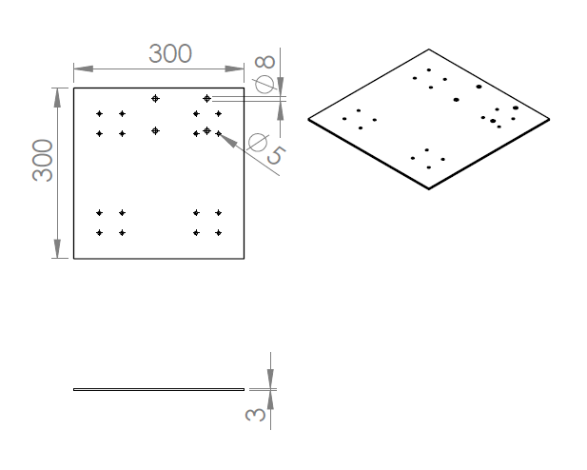
University | Hacettepe University |  |  |  |  |  |  |  | Car # | 106 |  | Part Cost | $11.74
System | Frame and Body |  |  |  |  |  |  |  |  |  |  | Qty | 1
Assembly | Pedals Assembly
Part | Pedal Mounting |  |  |  |  |  |  |  |  |  |  | Extended Cost | $11.74
P/N Base | 3001
Suffix | AA
Details | Mountings for Purchased Pedals

ItemOrder | Material | Use | UnitCost | Size1 | Unit1 | Size2 | Unit2 | Area Name | Area | Length | Density | Quantity | Sub Total
10 | Steel, Alloy | Pedal Mount | $2.25 | 2.106 | kg |  |  | rechtangular | 9.0 | 0.03 | 7.8 | 1 | $4.74
 |  |  |  |  |  |  |  |  |  |  |  | Sub Total | $4.74

ItemOrder | Process | Use | UnitCost | Unit | Quantity | Multiplier | Mult. Val. | Sub Total
10 | Drilled holes < 25.4 mm dia. |  | $0.35 | hole | 20 |  |  | $7.00
 |  |  |  |  |  |  | Sub Total | $7.00

ItemOrder | Fastener | Use | UnitCost | Size1 | Unit1 | Size2 | Unit2 | Quantity | Sub Total

 |  |  |  |  |  |  |  | Sub Total | $-

ItemOrder | Tooling | Use | UnitCost | Unit | Quantity | PVF | FracIncld | Sub Total

 |  |  |  |  |  |  | Sub Total | $-

Pedals
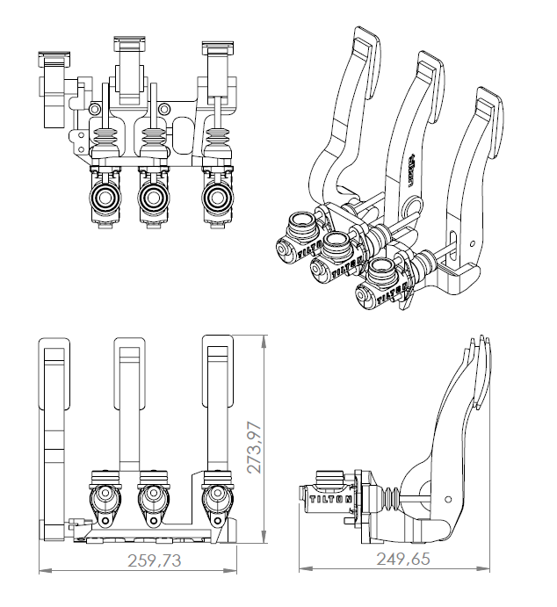
University | Hacettepe University |  |  |  |  |  |  |  | Car # | 106 |  | Part Cost | $360.00
System | Frame and Body |  |  |  |  |  |  |  |  |  |  | Qty | 1
Assembly | Pedals Assembly
Part | Gas and Brake Pedals |  |  |  |  |  |  |  |  |  |  | Extended Cost | $360.00
P/N Base | 3002
Suffix | AA
Details | Purchased Pedals

ItemOrder | Material | Use | UnitCost | Size1 | Unit1 | Size2 | Unit2 | Area Name | Area | Length | Density | Quantity | Sub Total
10 | Pedal Assembly, Tilton, 72-680 | Pedals | $360.00 |  |  |  |  |  |  |  |  | 1 | $360.00
 |  |  |  |  |  |  |  |  |  |  |  | Sub Total | $360.000

ItemOrder | Process | Use | UnitCost | Unit | Quantity | Multiplier | Mult. Val. | Sub Total

 |  |  |  |  |  |  | Sub Total | $-

ItemOrder | Fastener | Use | UnitCost | Size1 | Unit1 | Size2 | Unit2 | Quantity | Sub Total

 |  |  |  |  |  |  |  | Sub Total | $-

ItemOrder | Tooling | Use | UnitCost | Unit | Quantity | PVF | FracIncld | Sub Total

 |  |  |  |  |  |  | Sub Total | $-

Linear Guide
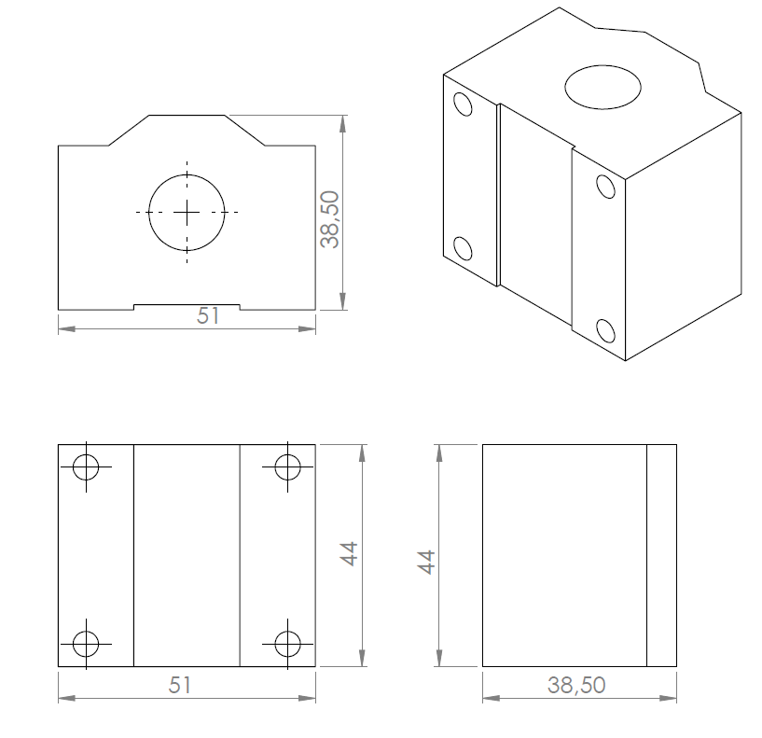
University | Hacettepe University |  |  |  |  |  |  |  | Car # | 106 |  | Part Cost | $8.51
System | Frame and Body |  |  |  |  |  |  |  |  |  |  | Qty | 4
Assembly | Pedals Assembly
Part | Linear Guide |  |  |  |  |  |  |  |  |  |  | Extended Cost | $34.04
P/N Base | 3003
Suffix | AA
Details | Purchased Pedals

ItemOrder | Material | Use | UnitCost | Size1 | Unit1 | Size2 | Unit2 | Area Name | Area | Length | Density | Quantity | Sub Total
10 | Bearing, Linear, Closed | linear guide material | $8.51 | 16 | mm | 44 | mm |  |  |  |  | 1 | $8.51

 |  |  |  |  |  |  |  |  |  |  |  | Sub Total | $8.51

ItemOrder | Process | Use | UnitCost | Unit | Quantity | Multiplier | Mult. Val. | Sub Total

 |  |  |  |  |  |  | Sub Total | $-

ItemOrder | Fastener | Use | UnitCost | Size1 | Unit1 | Size2 | Unit2 | Quantity | Sub Total

 |  |  |  |  |  |  |  | Sub Total | $-

ItemOrder | Tooling | Use | UnitCost | Unit | Quantity | PVF | FracIncld | Sub Total

 |  |  |  |  |  |  | Sub Total | $-

Linear Guide Mounting
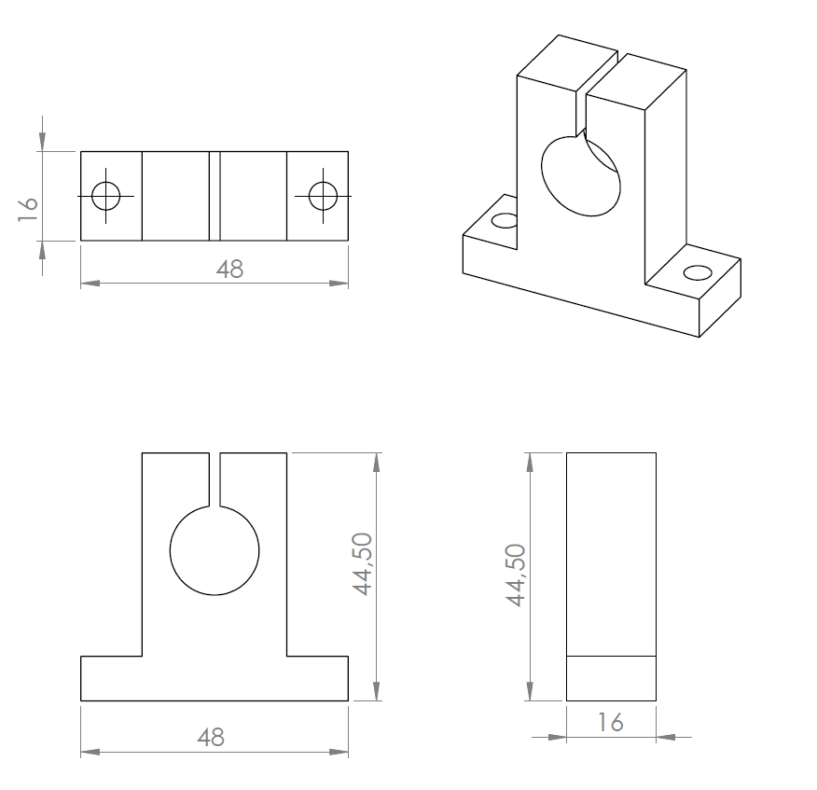
University | Hacettepe University |  |  |  |  |  |  |  | Car # | 106 |  | Part Cost | $3.38
System | Frame and Body |  |  |  |  |  |  |  |  |  |  | Qty | 4
Assembly | Pedals Assembly
Part | Linear Guide Mounting |  |  |  |  |  |  |  |  |  |  | Extended Cost | $13.52
P/N Base | 3004
Suffix | AA
Details | Purchased Pedals

ItemOrder | Material | Use | UnitCost | Size1 | Unit1 | Size2 | Unit2 | Area Name | Area | Length | Density | Quantity | Sub Total
10 | Aluminum, Premium | linear guide mounting material | $4.20 | 0.112 | kg |  |  | square | 0.25 | 0.16 | 2.8 | 1 | 0.47

 |  |  |  |  |  |  |  |  |  |  |  | Sub Total | $0.470

ItemOrder | Process | Use | UnitCost | Unit | Quantity | Multiplier | Mult. Val. | Sub Total
10 | Machining | material removing | $0.04 | cm^3 | 19 | Material - Aluminum | 1 | $0.76
20 | Drilled holes < 25.4 mm dia. |  | $0.35 | hole | 4 |  |  | $1.40
30 | Saw or tubing cuts |  | $0.40 | cm | 1 |  |  | $0.40
40 | Tapping holes |  | $0.35 | hole | 1 |  |  | $0.35
 |  |  |  |  |  |  | Sub Total | $2.91

ItemOrder | Fastener | Use | UnitCost | Size1 | Unit1 | Size2 | Unit2 | Quantity | Sub Total

 |  |  |  |  |  |  |  | Sub Total | $-

ItemOrder | Tooling | Use | UnitCost | Unit | Quantity | PVF | FracIncld | Sub Total

 |  |  |  |  |  |  | Sub Total | $-

Linear guide mill
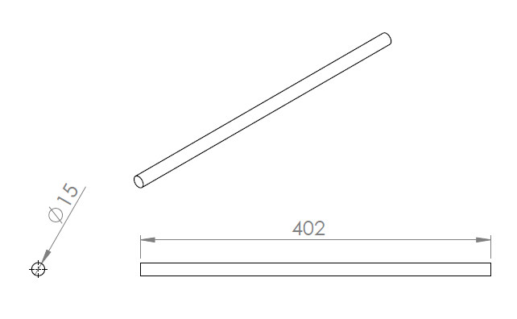
University | Hacettepe University |  |  |  |  |  |  |  | Car # | 106 |  | Part Cost | $14.20
System | Frame and Body |  |  |  |  |  |  |  |  |  |  | Qty | 2
Assembly | Pedals Assembly
Part | Linear guide mill |  |  |  |  |  |  |  |  |  |  | Extended Cost | $28.40
P/N Base | 3005
Suffix | AA
Details | Purchased Pedals

ItemOrder | Material | Use | UnitCost | Size1 | Unit1 | Size2 | Unit2 | Area Name | Area | Length | Density | Quantity | Sub Total
10 | Steel, Alloy | Linear guide mill material | $2.25 | 5.5107 | kg |  |  | Circle | 0.07065 | 10 | 7.8 | 1 | $12.40

 |  |  |  |  |  |  |  |  |  |  |  | Sub Total | $12.40

ItemOrder | Process | Use | UnitCost | Unit | Quantity | Multiplier | Mult. Val. | Sub Total
10 | Saw or tubing cuts |  | $0.40 | cm | 1.5 | Material - Steel | 3 | $1.80

 |  |  |  |  |  |  | Sub Total | $1.80

ItemOrder | Fastener | Use | UnitCost | Size1 | Unit1 | Size2 | Unit2 | Quantity | Sub Total

 |  |  |  |  |  |  |  | Sub Total | $-

ItemOrder | Tooling | Use | UnitCost | Unit | Quantity | PVF | FracIncld | Sub Total

 |  |  |  |  |  |  | Sub Total | $-

Tube Frame
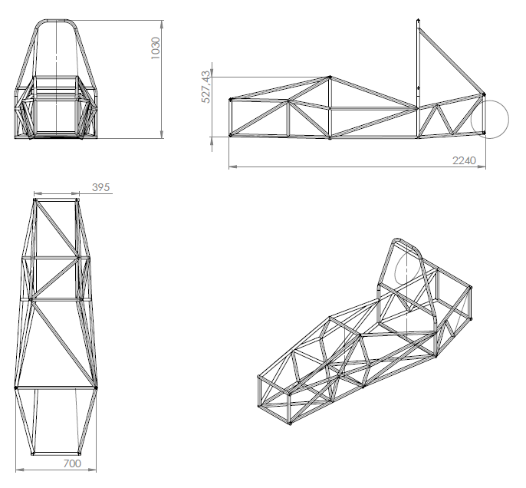
University | Hacettepe University |  |  |  |  |  |  |  | Car # | 106 |  | Part Cost | $607.74
System | Frame and Body |  |  |  |  |  |  |  |  |  |  | Qty | 1
Assembly | Complete Frame Assembly
Part | Tube Frame |  |  |  |  |  |  |  |  |  |  | Extended Cost | $607.74
P/N Base | 3006
Suffix | AA
Details | Steel Alloy Tube Frame

ItemOrder | Material | Use | UnitCost | Size1 | Unit1 | Size2 | Unit2 | Area Name | Area | Length | Density | Quantity | Sub Total
10 | Steel, Alloy | Front Roll Hoop | $2.25 | 4.00 | kg |  |  | Tube | 0.170 | 3.00 | 7.85 | 1 | $9.01
20 | Steel, Alloy | Main Roll Hoop | $2.25 | 4.00 | kg |  |  | Tube | 0.170 | 3.00 | 7.85 | 1 | $9.01
30 | Steel, Alloy | Frame Material | $2.25 | 3.41 | kg |  |  | Tube | 0.145 | 3.00 | 7.85 | 9 | $69.15
40 | Steel, Alloy | Sholuder harness &main hoop bottem member | $2.25 | 4.00 | kg |  |  | Tube | 0.170 | 3.00 | 7.85 | 1 | $9.01
 |  |  |  |  |  |  |  |  |  |  |  | Sub Total | $87.16

ItemOrder | Process | Use | UnitCost | Unit | Quantity | Multiplier | Mult. Val. | Sub Total
10 | Saw or tubing cuts | Cut Tubing | $0.40 | cm | 135.0 | Machining, Steel | 3 | $162.00
20 | Tube end preperation for welding | For welding | $0.75 | end | 104.0 |  |  | $78.00
30 | Weld - Round Tubing | Weld | $0.38 | cm | 686.6 |  |  | $260.91
40 | Tube bends | Bending | $0.75 | bend | 4.00 |  |  | $3.00
 |  |  |  |  |  |  | Sub Total | $503.91

ItemOrder | Fastener | Use | UnitCost | Size1 | Unit1 | Size2 | Unit2 | Quantity | Sub Total

 |  |  |  |  |  |  |  | Sub Total

ItemOrder | Tooling | Use | UnitCost | Unit | Quantity | PVF | FracIncld | Sub Total
10 | Welds - Welding Fixture | Support Frame Tubes | $500.00 | point | 100 | 3000 | 1 | $16.67
 |  |  |  |  |  |  | Sub Total | $16.67

Suspension Arm Tabs
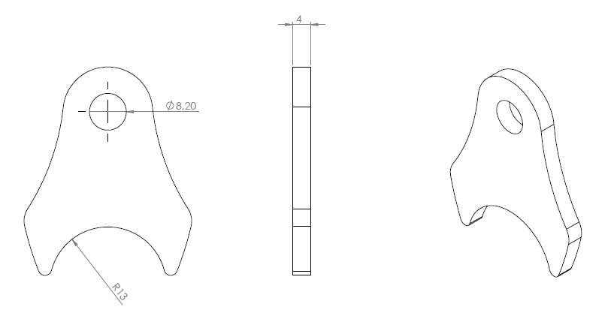
University | Hacettepe University |  |  |  |  |  |  |  | Car # | 106 |  | Part Cost | $0.63
System | Frame and Body |  |  |  |  |  |  |  |  |  |  | Qty | 32
Assembly | Complete Frame Assembly
Part | Suspension Arm Tabs |  |  |  |  |  |  |  |  |  |  | Extended Cost | $20.01
P/N Base | 3007
Suffix | AA
Details | Tabs

ItemOrder | Material | Use | UnitCost | Size1 | Unit1 | Size2 | Unit2 | Area Name | Area | Length | Density | Quantity | Sub Total
10 | Steel, Alloy | tab material | $2.25 | 0.05 | kg |  |  | Rectangular | 0.20 | 0.03 | 7.85 | 1 | $0.10
 |  |  |  |  |  |  |  |  |  |  |  | Sub Total | $0.10
ItemOrder | Process | Use | UnitCost | Unit | Quantity | Multiplier | Mult. Val. | Sub Total
10 | Laser Cut | Cut for Tabs | $0.01 | cm | 17.4 | Machining, Steel | 3 | $0.52
 |  |  |  |  |  |  | Sub Total | $0.52

ItemOrder | Fastener | Use | UnitCost | Size1 | Unit1 | Size2 | Unit2 | Quantity

 |  |  |  |  |  |  | Sub Total | $-

ItemOrder | Tooling | Use | UnitCost | Unit | Quantity | PVF | FracIncld | Sub Total

 |  |  |  |  |  |  | Sub Total | $-

Anti-Intrusion Plate
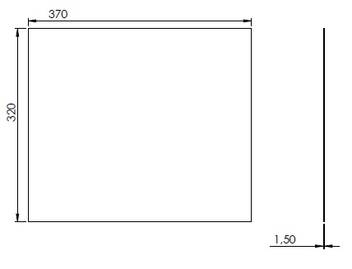
University | Hacettepe University |  |  |  |  |  |  |  | Car # | 106 |  | Part Cost | $4.60
System | Frame and Body |  |  |  |  |  |  |  |  |  |  | Qty | 1
Assembly | Complete Frame Assembly
Part | Anti-Intrusion Plate |  |  |  |  |  |  |  |  |  |  | Extended Cost | $4.60
P/N Base | 3008
Suffix | AA
Details | Anti-Intrusion Plate

ItemOrder | Material | Use | UnitCost | Size1 | Unit1 | Size2 | Unit2 | Area Name | Area | Length | Density | Quantity | Sub Total
10 | Steel, Alloy | Anti-Intrusion Plate | $2.25 | 1.39 | kg |  |  | Rectangular | 11.84 | 0.015 | 7.85 | 1.00 | $3.14
 |  |  |  |  |  |  |  |  |  |  |  | Sub Total | $3.14

ItemOrder | Process | Use | UnitCost | Unit | Quantity | Multiplier | Mult. Val. | Sub Total
10 | Sheet metal shearing |  | $0.25 | cut | 3 |  |  | $0.75
20 | Hand Finish - Surface Preperation |  | $0.02 | cm^2 | 11.84 | Machining, Steel | 3 | $0.71
 |  |  |  |  |  |  | Sub Total | $1.46

ItemOrder | Fastener | Use | UnitCost | Size1 | Unit1 | Size2 | Unit2 | Quantity | Sub Total

 |  |  |  |  |  |  |  | Sub Total

ItemOrder | Tooling | Use | UnitCost | Unit | Quantity | PVF | FracIncld | Sub Total

 |  |  |  |  |  |  | Sub Total | $-

Front-Bottom Plate
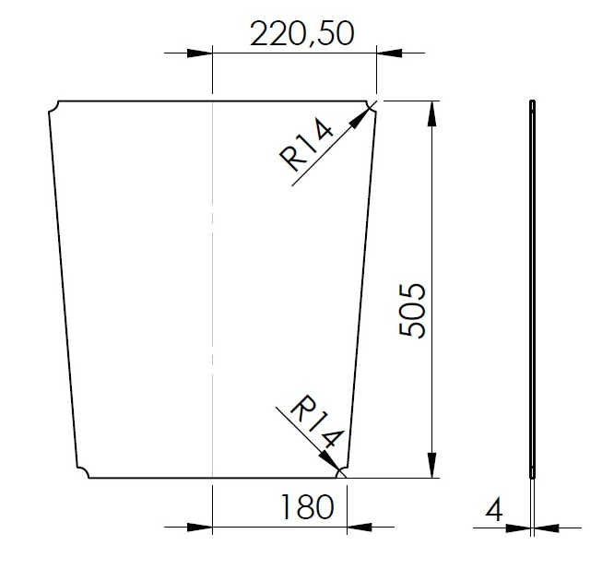
University | Hacettepe University |  |  |  |  |  |  |  | Car # | 106 |  | Part Cost | $15.43
System | Frame and Body |  |  |  |  |  |  |  |  |  |  | Qty | 1
Assembly | Complete Frame Assembly
Part | Front-Bottom Plate |  |  |  |  |  |  |  |  |  |  | Extended Cost | $15.43
P/N Base | 3009
Suffix | AA
Details | Anti-Intrusion Plate

ItemOrder | Material | Use | UnitCost | Size1 | Unit1 | Size2 | Unit2 | Area Name | Area | Length | Density | Quantity | Sub Total
10 | Aluminum, Normal | Anti-Intrusion Plate | $4.20 | 2.49 | kg |  |  | Rectangular | 22.27 | 0.040 | 2.80 | 1.00 | $10.48
 |  |  |  |  |  |  |  |  |  |  |  | Sub Total | $10.48

ItemOrder | Process | Use | UnitCost | Unit | Quantity | Multiplier | Mult. Val. | Sub Total
10 | Sheet metal shearing | sheet metal shaping | $0.25 | cut | 3 | Machining, Aluminum | 1 | $0.75
20 | Drilled holes < 25.4 mm dia. |  | $0.35 | hole | 8 | Machine - Hole Length >= 4D | 1.5 | $4.20

 |  |  |  |  |  |  | Sub Total | $4.95

ItemOrder | Fastener | Use | UnitCost | Size1 | Unit1 | Size2 | Unit2 | Quantity | Sub Total

 |  |  |  |  |  |  |  | Sub Total

ItemOrder | Tooling | Use | UnitCost | Unit | Quantity | PVF | FracIncld | Sub Total

 |  |  |  |  |  |  | Sub Total | $-

Seat
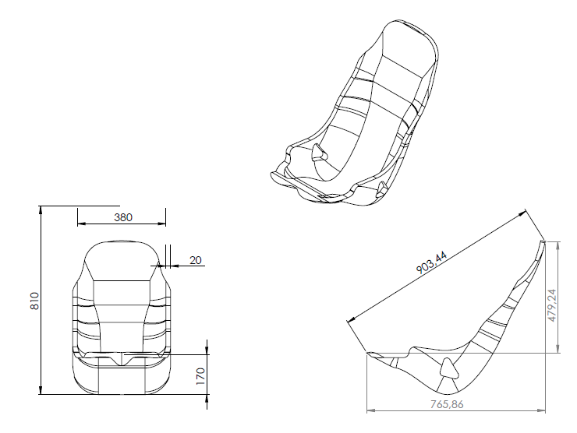
University | Hacettepe University |  |  |  |  |  |  |  | Car # | 106 |  | Part Cost | $243.07
System | Frame and Body |  | FileLink1 |  |  |  |  |  |  |  |  | Qty | 1
Assembly | Seat Assembly |  | FileLink2 |  |  |  |  |  | FileLink1
Part | Seat |  | FileLink3 |  |  |  |  |  | FileLink2 |  |  | Extended Cost | $243.07
P/N Base | 3017 |  |  |  |  |  |  |  | FileLink3
Suffix | AA
Details

ItemOrder | Material | Use | UnitCost | Size1 | Unit1 | Size2 | Unit2 | Area Name | Area | Length | Density | Quantity | Sub Total
10 | Glass Fiber, 1 Ply(Per Kg) |  | $100.000 | 0.6 | kg |  |  |  |  |  |  | 3 | $180.00

 |  |  |  |  | , |  |  |  |  |  |  | Sub Total | $180.00

ItemOrder | Process | Use | UnitCost | Unit | Quantity | Multiplier | Mult. Val. | Sub Total
10 | Resin application, Infusion Molding |  | $2.50 | m^2 | 0.5 | Repeat 2 | 2 | $2.50
20 | Lamination, Manual |  | $35.00 | m^2 | 0.5 | Repeat 3 | 3 | $52.50
30 | Cure, Room temperature |  | $10.00 | m^2 | 0.5 |  | 1 | $5.00
40 | Drilled holes < 25.4 mm dia. |  | $0.35 | hole | 4 |  | 1 | $1.40
 |  |  |  |  |  |  | Sub Total | $61.40

ItemOrder | Fastener | Use | UnitCost | Size1 | Unit1 | Size2 | Unit2 | Quantity | Sub Total

 |  |  |  |  |  |  |  | Sub Total | $-

ItemOrder | Tooling | Use | UnitCost | Unit | Quantity | PVF | FracIncld | Sub Total
10 | Lamination - Composite Tool | Main body mold | $10,000.00 | m^2 | 0.5 | 3000 | 1 | $1.67
 |  |  |  |  |  |  | Sub Total | 1.67

Seat mounting member
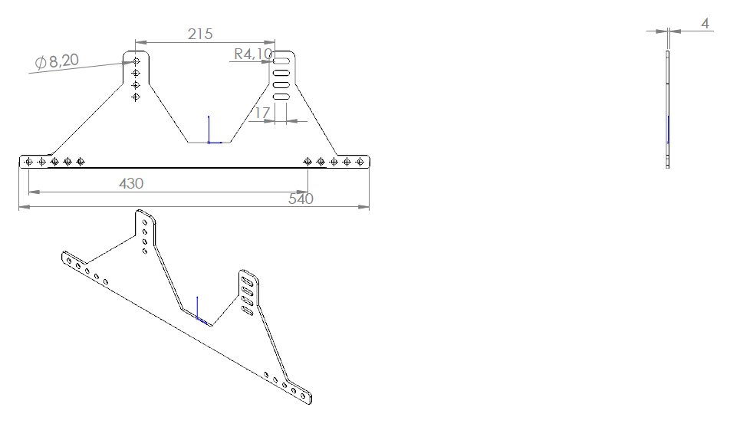
University | Hacettepe University |  |  |  |  |  |  |  | Car # | 106 |  | Part Cost | $6.12
System | Frame and Body |  |  |  |  |  |  |  |  |  |  | Qty | 2
Assembly | Seat Assembly
Part | Seat mounting member |  |  |  |  |  |  |  |  |  |  | Extended Cost | $12.25
P/N Base | 3018
Suffix | AA
Details | Anti-Intrusion Plate

ItemOrder | Material | Use | UnitCost | Size1 | Unit1 | Size2 | Unit2 | Area Name | Area | Length | Density | Quantity | Sub Total
10 | Aluminum, Normal | Anti-Intrusion Plate | $4.20 | 1.09 | kg |  |  | Rectangular | 9.72 | 0.040 | 2.80 | 1.00 | $4.57
 |  |  |  |  |  |  |  |  |  |  |  | Sub Total | $4.57

ItemOrder | Process | Use | UnitCost | Unit | Quantity | Multiplier | Mult. Val. | Sub Total
10 | Laser Cut | Cut for Tabs | $0.01 | cm | 155.268 | Machining, Steel | 1 | $1.55

 |  |  |  |  |  |  | Sub Total | $1.55

ItemOrder | Fastener | Use | UnitCost | Size1 | Unit1 | Size2 | Unit2 | Quantity | Sub Total

 |  |  |  |  |  |  |  | Sub Total

ItemOrder | Tooling | Use | UnitCost | Unit | Quantity | PVF | FracIncld | Sub Total

 |  |  |  |  |  |  | Sub Total | $-

